SCS
Time to Peak | Peak Flow | Flow Volume
2,960.53 | 87.84 | 100

Time | Discharge | Cumulative Volume

0 | 0 | 0
296.05259341 | 2.6352025791 | 0.1
592.10518681 | 8.7840085971 | 0.6
888.15778022 | 16.689616335 | 1.2
1184.2103736 | 27.230426651 | 3.5
1480.262967 | 41.284840407 | 6.5
1776.3155604 | 57.974456741 | 10.7
2072.3681538 | 72.028870497 | 16.3
2368.4207473 | 81.691279953 | 22.8
2664.4733407 | 86.961685112 | 30
2960.5259341 | 87.840085971 | 37.5
3256.5785275 | 86.961685112 | 45
3552.6311209 | 81.691279953 | 52.2
3848.6837143 | 75.542473935 | 58.9
4144.7363077 | 68.515267058 | 65
4440.7889011 | 59.731258461 | 70
4736.8414945 | 49.190448144 | 75.1
5032.8940879 | 40.406439547 | 79
5328.9466813 | 34.257633529 | 82.2
5624.9992747 | 28.987228371 | 84.9
5921.0518681 | 24.595224072 | 87.1
6513.1570549 | 18.182897796 | 90.8
7105.2622418 | 12.912492638 | 93.4
7697.3674286 | 9.3988891989 | 95.3
8289.4726154 | 6.7636866198 | 96.7
8881.5778022 | 4.8312047284 | 97.7
9473.682989 | 3.5136034389 | 98.4
10065.788176 | 2.5473624932 | 98.9
10657.893363 | 1.8446418054 | 99.3
11249.998549 | 1.3176012896 | 99.5
11842.103736 | 0.96624094569 | 99.7
13322.366703 | 0.43920042986 | 99.9
14802.62967 | 0 | 100

Rational
Time to Peak | Peak Flow | Flow Volume
17.18 | 98.30 | 100

Time | Discharge | Cumulative Volume

0 | 0 | 0
1.7183722929 | 2.9490395435 | 0.1
3.4367445858 | 9.8301318116 | 0.6
5.1551168787 | 18.677250442 | 1.2
6.8734891716 | 30.473408616 | 3.5
8.5918614645 | 46.201619515 | 6.5
10.310233757 | 64.878869957 | 10.7
12.02860605 | 80.607080855 | 16.3
13.746978343 | 91.420225848 | 22.8
15.465350636 | 97.318304935 | 30
17.183722929 | 98.301318116 | 37.5
18.902095222 | 97.318304935 | 45
20.620467515 | 91.420225848 | 52.2
22.338839808 | 84.53913358 | 58.9
24.057212101 | 76.67502813 | 65
25.775584393 | 66.844896319 | 70
27.493956686 | 55.048738145 | 75.1
29.212328979 | 45.218606333 | 79
30.930701272 | 38.337514065 | 82.2
32.649073565 | 32.439434978 | 84.9
34.367445858 | 27.524369072 | 87.1
37.804190444 | 20.34837285 | 90.8
41.24093503 | 14.450293763 | 93.4
44.677679615 | 10.518241038 | 95.3
48.114424201 | 7.5692014949 | 96.7
51.551168787 | 5.4065724964 | 97.7
54.987913373 | 3.9320527246 | 98.4
58.424657958 | 2.8507382254 | 98.9
61.861402544 | 2.0643276804 | 99.3
65.29814713 | 1.4745197717 | 99.5
68.734891716 | 1.0813144993 | 99.7
77.32675318 | 0.49150659058 | 99.9
85.918614645 | 0 | 100

Curve Numbers
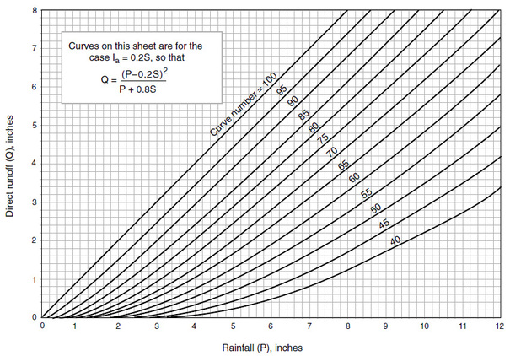

0 | 1.6921604041
6 | 1.6921604041
6 | 0

